22-23 Self Audit Form
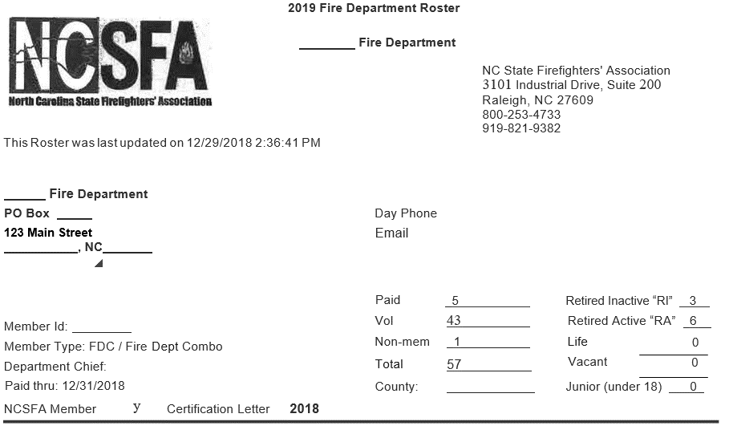
 | Workers Compensation Summary 2022-2023 |  |  |  |  | Enter data and payroll information only in the light green shaded cells.
 |  | Insured:
 |  | Address:
 |  | City/Zip:
 |  | Contact/Title:
 |  | Telephone:
 |  | Fax:
 |  | E-Mail:
 |  | Software Company:
 |  | FEIN:
 |  | Date:
 | 1. Volunteer Fire: Email us a copy of your NCSFA Fire Roster; if applicable
 | 2. Auxiliary Police: We need a list of names for Aux Police; if applicable
 | 3. Inmates: Please email us a copy of the contract and fill out the inmate tab; if applicable
 | 4. Please email us a copy of your WC Report, Gross Wage Report, Pay by Type Report
 | 5. Please email us a copy of your ESC Reports and 941 Reports
 | 6. Please email us an Employee Roster Listing Dept, Job Title, and WC Code or fill in the Emply Roster Tab
 | Does your entity use outside contractors? If so please fill out the Contract Labor Tab.
 | Are all contractors required to carry WC Ins.? If not, have the contractor fill in the Contractor vs. Emply Checklist

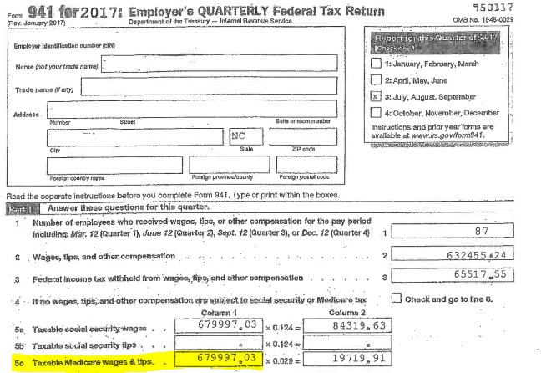
 |  |  |  | W/ C VERIFICATION |  |  |  |  | Examples Only
 |  |  | GROSS | ESC | 941's
 |  |  | WAGES | Line 2 | #5C (Column 1)
 | 2022 | 3RD QUARTER
 | 2022 | 4TH QUARTER
 | 2023 | 1ST QUARTER
 | 2023 | 2ND QUARTER
 | Gross Payroll-will xfer from Pg 2 Col I |  | -
 | Adjust Board |  | -
 | Adjust Volunteer Firefighters |  | -
 | Adjust Auxiliary Police |  | -
 | Adjust Inmates |  | -
 | Less Overtime Premium (1/2 time) |  | -
 | Less Car, Uniform, Cell, Military, LEO Separation Allowance |  | -
 | Total |  | - | - | -
 | Total from Page 2 |  | -
 | Total from Page 3 |  | -

 | Insured: | - | Gross Wages | Overtime | Allowances | Adjust | Net | # F/T | P/T &
 | Per WC & Gross Wage/Pay by Type by Emply Report |  | All Employees | @ 1 1/2 | Cell/Auto/LEO | BOD/VFF | WC Pay | Emplys | Seasonal
 |  |  | Active/Inactive |  | Uniform/Military | Inmates |  | & BOD | Emplys
 | (Use paid dates for reports 7/1/22-6/30/23) |  | All Pay Types |  | Enter Postive # | Aux Police |  | VFF/Aux P.
 | WC Code
 | 5506 | Street Const: Paving, Curbing & Repair |  |  |  |  | - |  |  | 5506 | Street Construction: Paving, Repairing, Curbing
 | 7380 | Drivers: (Ex.-Library, ABC Stores) |  |  |  |  | - |  |  | 7380 | Drivers: Example-Library, ABC Stores
 | 7423 | Airport Operations |  |  |  |  | - |  |  | 7423 | Airport Operations
 | 7520 | Water (WTP) Oper.-Line Maint. |  |  |  |  | - |  |  | 7520 | Water Treatment Plant Oper./Line Maint.
 | 7539 | Electric Light & Power Company |  |  |  |  | - |  |  | 7539 | Electric Light & Power Company
 | 7580 | Sewer (WWTP) Oper. -Line Maint. |  |  |  |  | - |  |  | 7580 | Sewer Disposal Operations and Line Maint.
 | 7581 | W &S Combined Oper./Line Maint. |  |  |  |  | - |  |  | 7581 | Water & Sewer Combined Oper./Line Maint.
 | 7701 | Public Safety-trained in fire and police |  |  |  |  | - |  |  | 7701 | Public Safety-trained in fire and police
 | 7704 | Paid/Career Firefighters-FT & PT | - |  |  |  | - |  |  | 7704 | Paid/Career Firefighters-FT & PT (Enter here or on firefighter Tab)
 | 7705 | Volunteer Firefighters | - |  |  | - | - | - |  | 7705 | Volunteer Firefighters (for the spreadsheet to work; you must type in each VFF pay (Amount) using the schedule on the Firefighters Tab
 | 7720 | Police Officers - include LEO |  |  |  |  | - |  |  | 7720 | Police Officers - include LEO in gross wages in Column I and also K
 | 7721 | Auxiliary Police Officers |  |  |  | - | - |  |  | 7721 | Auxiliary Police Officers-just enter the number of (unpaid only) aux police officer in column "G" and the spreadsheet will fill in the correct amount | Aux Police-we include a flat amount of $600 per officer.
 | 8017 | Store: (Example - ABC Store) |  |  |  |  | - |  |  | 8017 | Store: Example - ABC Store | Type in the number of aux police below and the calculation fills in a dollar amount.
 | 8380 | Garage |  |  |  |  | - |  |  | 8380 | Garage
 | 8742 | Salespersons - (Primarily used in COG's) |  |  |  |  | - |  |  | 8742 | Salespersons - to be used only in Council of Governments
 | 8810 | Clerical |  |  |  |  | - |  |  | 8810 | Clerical
 | 8820 | Attorney |  |  |  |  | - |  |  | 8820 | Attorney
 | 9015 | Buildings: Maintenance, Janitorial |  |  |  |  | - |  |  | 9015 | Buildings: Maintenance, Janitorial
 | 9033 | Housing Authority & Clerical |  |  |  |  | - |  |  | 9033 | Housing Authority & Clerical
 | 9060 | Golf Course |  |  |  |  | - |  |  | 9060 | Golf Course
 | 9061 | Senior Citizen Club/Center |  |  |  |  | - |  |  | 9061 | Senior Citizen Club/Center
 | 9102 | Parks and Rec-includes mowing of grass |  |  |  |  | - |  |  | 9102 | Parks and Rec-includes mowing of grass
 | 9154 | Theater |  |  |  |  | - |  |  | 9154 | Theater
 | 9220 | Cemetery-digging graves with backhoe |  |  |  |  | - |  |  | 9220 | Cemetery-digging graves with backhoe
 | 9402 | Streets & Mainline/Storm Sewer Cleaning |  |  |  |  | - |  |  | 9402 | Street Cleaning & Mainline & Storm Sewer Cleaning
 | 9403 | Garbage & Bulk Collection (Sanitation) |  |  |  |  | - |  |  | 9403 | Garbage & Bulk Collection (Sanitation)
 | 9410 | Municipal NOC |  |  |  |  | - |  |  | 9410 | Municipal Emplys: Example Zoning/Code Compliance Off./Bldg Insp/Planner
 | 9554 | Sign Installation |  |  |  |  | - |  |  | 9554 | Sign Installation
 | 9990 | City Manager: office duties only |  |  |  |  | - |  |  | 9990 | City Manager: office duties only
 | 9991 | City Manager: office plus o/s duties |  |  |  |  | - |  |  | 9991 | City Manager: office plus o/s duties: Code Enf/Zoning Officer/Bldg Inspections
 | 9993 | Inmates-see Inmate Tab |  |  |  | - | - |  |  | 9993 | Inmates-must enter monthly invoices-see Inmate Tab
 | 9994 | BOD Members-Non Municipal & COG's |  |  |  | - | - |  |  | 9994 | BOD Members-enter the # of BOD Members (Non-Municipal and COG's only) Appointed BOD Members are covered if endorsed onto your policy. Enter the number of appointed BOD members and the spreadsheet will calculate it for you.
 | 9996 | Mayor and Council - Municipal |  |  |  | - | - |  |  | 9996 | Mayor and Council-enter the # of BOD Members (Municipal) Elected officials for cities or towns are included at a flat amount of $5,000. Enter the number of officials and the spreadsheet will calculate it for you.
 | XXXX | Planning/Telephone/Historical BOD |  |  |  | - | - |  |  | XXXX | Planning/Telephone/Historical BOD-not covered (Place wages in Col I & L)
 |  |  | - | - | - | - | - | - | -
 |  |  |  |  |  |  | -

0042
5506 |  | INSURED: | - |  |  |  | <---the employee count and payroll will transfer from the spreadsheet above.
7380 | W/C Code | Billing Summary |  | F/T | Net Payroll |  | Full time employees are shown for the purpose of our Reinurance company only.
7423 | 5506 | Street Const: Paving, Curbing & Repair |  | 0 | -
7520 | 7380 | Drivers: Example-Library, ABC Stores |  | 0 | -
7539 | 7423 | Airport Operations |  | 0 | -
7580 | 7520 | Water Treatment Plant Operations/Line Maint. |  | 0 | -
7581 | 7539 | Electric Light & Power Company |  | 0 | -
7701 | 7580 | Sewer Disposal Operations and Line Maint. |  | 0 | -
7704 | 7581 | Water & Sewer Combined Operations/Line Maint. |  | 0 | -
7705 | 7701 | Public Safety-trained in fire and police |  | 0 | -
7706 | 7704 | Paid/Career Firefighters-FT & PT |  | 0 | -
7720 | 7705 | Volunteer Firefighters |  | 0 | -
7721 | 7720 | Police Officers |  | 0 | -
7723 | 7721 | Auxiliary Police Officers |  | 0 | -
8017 | 8017 | Store |  | 0 | -
8380 | 8380 | Garage |  | 0 | -
8742 | 8742 | Salespersons - to be used only in Council of Governments |  | 0 | -
8810 | 8810 | Clerical |  | 0 | -
8820 | 8820 | Attorney |  | 0 | -
9015 | 9015 | Buildings: Maintenance, Janitorial |  | 0 | -
9033 | 9033 | Housing Authority & Clerical |  | 0 | -
9060 | 9060 | Golf Course |  | 0 | -
9061 | 9061 | Senior Citizen Club/Center |  | 0 | -
9102 | 9102 | Parks and Recreation-includes mowing of grass |  | 0 | -
9154 | 9154 | Theater |  | 0 | -
9220 | 9220 | Cemetery-digging graves with backhoe |  | 0 | -
9402 | 9402 | Street Cleaning and Mainline & Storm Sewer Cleaning |  | 0 | -
9403 | 9403 | Garbage & Bulk Collection (Sanitation) |  | 0 | -
9410 | 9410 | Municipal Employees (not otherwise classified) |  | 0 | -
9410 | 9554 | Sign Installation |  | 0 | -
9554 | 9990 | City Manager: office duties only |  | 0 | -
9990 | 9991 | City Manager: office plus o/s duties: Code Enf/Zoning |  | 0 | -
9991 | 9993 | Inmates |  | 0 | -
9993 | 9994 | Board Members |  | 0 | -
9994 | 9996 | Mayor and Council |  | 0 | -
9996 | Total: |  |  | 0 | -

